Bill of Materials (example)
 |  | Bill of Materials
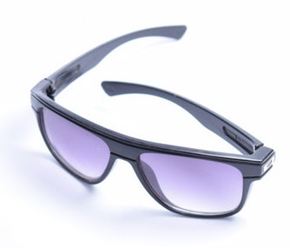
 | Product Name | Black unisex sunglasses |  |  | Approved By | Misaki Gibson
 | Assembly Name | Sunglasses, shippable, US |  |  | Approval Date | 2019-01-15
 | Assembly Number | 10000-01 |  |  | Part Count | 17
 | Assembly Revision | C |  |  | Total Cost | $6.85

BOM Level | Part # |  | Part Name | Description |  | Quantity | Units | Unit Cost | Cost
1 | 10000-02 |  | Sunglasses, black | Base product, no packaging
2 | 10000-03 |  | Front frame, black | Revision C |  | 1 | each | 1.00 | 1.00
3 | 20000-01 |  | Left lens, smoke | Revision A |  | 1 | each | 1.50 | 1.50
3 | 20000-02 |  | Right lens, smoke | Revision A |  | 1 | each | 1.50 | 1.50
2 | 30000-01 |  | Left arm | Revision C |  | 1 | each | 0.50 | 0.50
2 | 30000-02 |  | Right arm | Revision C |  | 1 | each | 0.50 | 0.50
3 | 50000-01 |  | Silver logo | Revision B |  | 2 | each | 0.25 | 0.50
3 | 40000-02 |  | Screw | Revision C |  | 2 | each | 0.05 | 0.10
3 | 40500-01 |  | Hinge | Revision C |  | 2 | each | 0.10 | 0.20
2 | 60000-01 |  | Safety label | US and EU safety marks |  | 1 | each | 0.05 | 0.05

1 | 90000-01 |  | Packaging | Biodegradeable
2 | 90000-03 |  | Box with logo | 6 in x 3 in x 3 in |  | 1 | each | 0.50 | 0.50
2 | 90000-02 |  | Box product label | Barcode label |  | 1 | each | 0.05 | 0.05
2 | 90000-04 |  | Silk bag with cord | Doubles as lens cloth |  | 1 | each | 0.25 | 0.25
2 | 80000-02 |  | Warranty card | Worldwide warranty |  | 1 | each | 0.10 | 0.10
2 | 80000-01 |  | Manual | English + 3 languages |  | 1 | each | 0.10 | 0.10

 |  |  |  | Total |  | 17 |  | Total | $6.85

