Multi-Level Bill of Materials
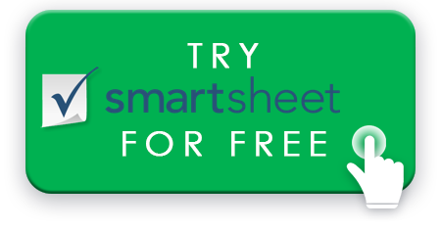
MULTI-LEVEL BILL OF MATERIALS TEMPLATE
PRODUCT NAME |  | CONTACT INFO
APPROVED BY
APPROVAL DATE
PART COUNT | 0
TOTAL COST | $-

ITEM NUMBER | ITEM NAME | DESCRIPTION | QUANTITY | UNITS | IMAGE | CATEGORY | ASSEMBLY PHASE | STATUS | SOURCE / SUPPLIER | LINK TO SUPPORTING DOC | COMMENTS | UNIT COST | TOTAL PART COST | STATUS KEY
 |  |  |  |  |  |  |  | NOT STARTED |  |  |  |  | $- | NOT STARTED
 |  |  |  |  |  |  |  | IN PRODUCTION |  |  |  |  | $- | IN PRODUCTION
 |  |  |  |  |  |  |  | IN REVIEW |  |  |  |  | $- | IN REVIEW
 |  |  |  |  |  |  |  | COMPLETE |  |  |  |  | $- | COMPLETE
 |  |  |  |  |  |  |  |  |  |  |  |  | $-
 |  |  |  |  |  |  |  |  |  |  |  |  | $-
 |  |  |  |  |  |  |  |  |  |  |  |  | $-
 |  |  |  |  |  |  |  |  |  |  |  |  | $-
 |  |  |  |  |  |  |  |  |  |  |  |  | $-
 |  |  |  |  |  |  |  |  |  |  |  |  | $-
 |  |  |  |  |  |  |  |  |  |  |  |  | $-
 |  |  |  |  |  |  |  |  |  |  |  |  | $-
 |  |  |  |  |  |  |  |  |  |  |  |  | $-
 |  |  |  |  |  |  |  |  |  |  |  |  | $-
 |  |  |  |  |  |  |  |  |  |  |  |  | $-
 |  |  |  |  |  |  |  |  |  |  |  |  | $-
 |  |  |  |  |  |  |  |  |  |  |  |  | $-
 |  |  |  |  |  |  |  |  |  |  |  |  | $-
 |  |  |  |  |  |  |  |  |  |  |  |  | $-
 |  |  |  |  |  |  |  |  |  |  |  |  | $-
 |  |  |  |  |  |  |  |  |  |  |  |  | $-
 |  |  |  |  |  |  |  |  |  |  |  |  | $-
 |  |  |  |  |  |  |  |  |  |  |  |  | $-
 |  |  | 0 |  | TOTAL PARTS |  |  |  |  |  |  | TOTAL | $-

 |  | CREATE YOUR MULTI-LEVEL BILL OF MATERIALS IN SMARTSHEET

