Read Me
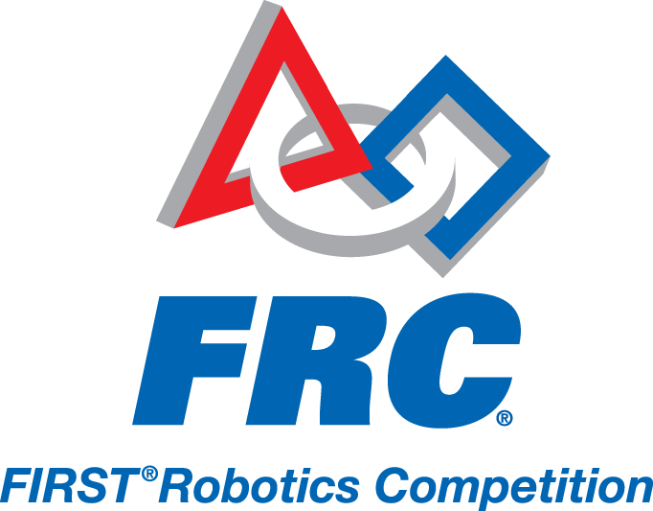

This is a sample Bill of Material Template (BOM) for use in the 2012 FIRST^{(R)} Robotics Competition Game, Rebound RumbleTM. All parts required by The Robot Section 4 should be entered into the BOM. The BOM helps Inspectors verify part use and legality on Robots.
Any item that was included in the Rookie KOP but not the Veteran KOP should be considered a KOP item and indicated on the BOM. Costs are to be recorded per Section 4.1.3 of The Robot, which can be found at http://frc-manual.usfirst.org.

