Exploded view
Manufacturer's Name | ABCD
Item Number | 147925
Product Name | MUSICAL SOFT FILLED TOY
Age Grade | 0 month and over

EXPLODED VIEW
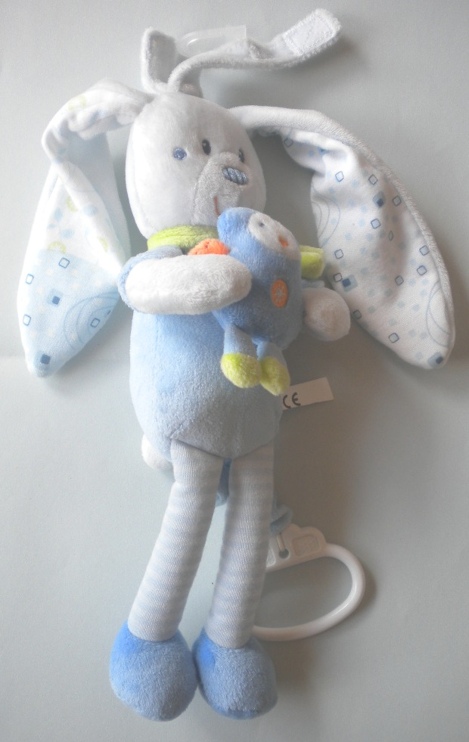
1f
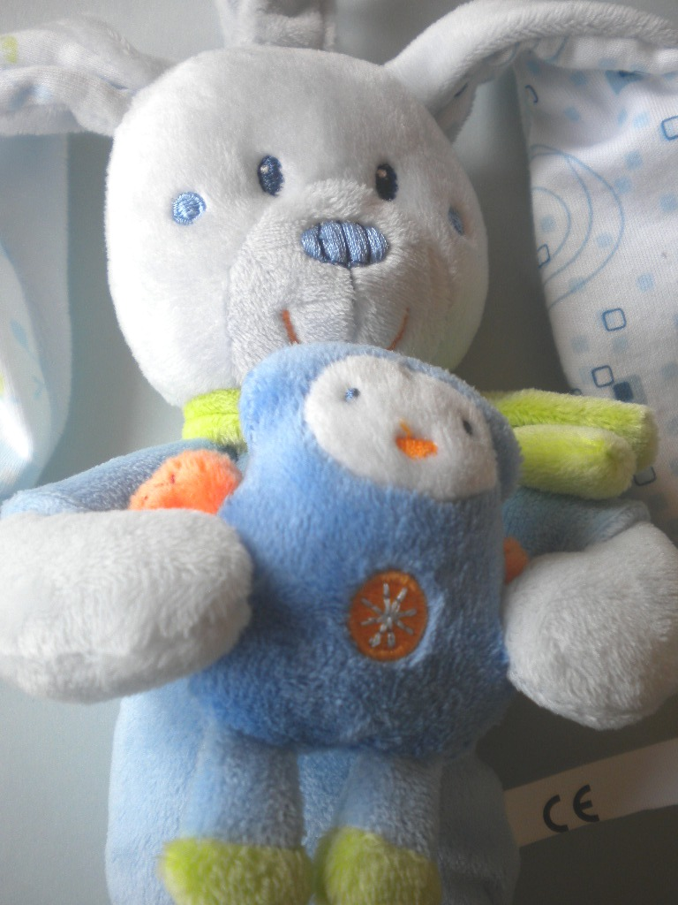
1g

1a

1b

1h
1c

1d

1i
1e

1c

1j

4
5

5a
6
3

2

8
7

8a
9

