Template 1 - Used in TIP
Example Project Projected Spend (000s)
 | Data for Projected Spend | Data for Projected Spend | Data for Projected Spend
Start (2014 Costs) |  | 0 | 22.19
Emerging Costs | 22.19 | 0 | 2
Phase 1 Costs | 24.19 | 0 | 8.73
Phase 2 Costs | 32.92 | 0 | 4.73
Phase 3 Costs | 37.65 | 0 | 1.39
Old Monitoring | 36.54 | 2.5 | 0
New Monitoring | 36.54 | 0 | 3.1
Other Costs | 39.64 | 0 | 1.03
Grand Total | 40.67 | 0 | 0
Example Project Projected Spend (000s)
 | Data for Projected Spend | Data for Projected Spend | Data for Projected Spend
Start (2014 Costs) |  | 0 | 22.19
Emerging Costs | 22.19 | 0 | 2
Phase 1 Costs | 24.19 | 0 | 8.73
Phase 2 Costs | 32.92 | 0 | 4.73
Phase 3 Costs | 37.65 | 0 | 1.39
Old Monitoring | 36.54 | 2.5 | 0
New Monitoring | 36.54 | 0 | 3.1
Other Costs | 39.64 | 0 | 1.03
Grand Total | 40.67 | 0 | 0
 |  |  | This template is the base example which is used in the TIP. There is nothing too complicated about this graph

Data for Projected Spend
 | Costs (in 000s)
Start (2014 Costs) | 22.19
Emerging Costs | 0.35
Phase 1 Costs | 8.73
Phase 2 Costs | 4.73
Phase 3 Costs | 1.39
Old Monitoring | -2.5
New Monitoring | 3.1
Other Costs | 1.03
Grand Total

Example Project Projected Spend (000s)
 | Data for Projected Spend | Data for Projected Spend | Data for Projected Spend
Start (2014 Costs) |  | 0 | 22.19
Emerging Costs | 22.19 | 0 | 2
Phase 1 Costs | 24.19 | 0 | 8.73
Phase 2 Costs | 32.92 | 0 | 4.73
Phase 3 Costs | 37.65 | 0 | 1.39
Old Monitoring | 36.54 | 2.5 | 0
New Monitoring | 36.54 | 0 | 3.1
Other Costs | 39.64 | 0 | 1.03
Grand Total | 40.67 | 0 | 0
Data for Projected Spend
 | Base | Fall | Rise | Costs (in 000s)
Start (2014 Costs) |  | 0 | 22.19 | 22.19
Emerging Costs | 22.19 | 0 | 2 | 2
Phase 1 Costs | 24.19 | 0 | 8.73 | 8.73
Phase 2 Costs | 32.92 | 0 | 4.73 | 4.73
Phase 3 Costs | 37.65 | 0 | 1.39 | 1.39
Old Monitoring | 36.54 | 2.5 | 0 | -2.5
New Monitoring | 36.54 | 0 | 3.1 | 3.1
Other Costs | 39.64 | 0 | 1.03 | 1.03
Grand Total | 40.67 | 0 | 0

Template 2
 |  |  | This template uses the base example in the TIP but now includes a column (brick) showing just the total change from Start to Grand Total. This uses numbers in the data, but is not included in the Grand Total figure and takes some additional calculations near the bottom of the new totals rows.

Example Project Projected Spend (000s)
 | Data for Projected Spend | Data for Projected Spend | Data for Projected Spend
Start (2014 Costs) |  | 0 | 22.19
Emerging Costs | 22.19 | 0 | 2.00
Phase 1 Costs | 24.19 | 0 | 8.73
Phase 2 Costs | 32.92 | 0 | 4.73
Phase 3 Costs | 37.65 | 0 | 1.39
Old Monitoring | 36.54 | 2.5 | 0.00
New Monitoring | 36.54 | 0 | 3.10
Other Costs | 39.64 | 0 | 1.03
Total Change | 22.19 | 0 | 18.48
Grand Total | 40.67 | 0 | 0.00
Data for Projected Spend
 | Costs (in 000s)
Start (2014 Costs) | 22.19
Emerging Costs | 2.00
Phase 1 Costs | 8.73
Phase 2 Costs | 4.73
Phase 3 Costs | 1.39
Old Monitoring | -2.50
New Monitoring | 3.10
Other Costs | 1.03
Total Change | 18.48
Grand Total | 40.67

Data for Projected Spend
 | Base | Fall | Rise | Costs (in 000s)
Start (2014 Costs) |  | 0 | 22.19 | 22.19
Emerging Costs | 22.19 | 0 | 2.00 | 2.00
Phase 1 Costs | 24.19 | 0 | 8.73 | 8.73
Phase 2 Costs | 32.92 | 0 | 4.73 | 4.73
Phase 3 Costs | 37.65 | 0 | 1.39 | 1.39
Old Monitoring | 36.54 | 2.5 | 0 | -2.50
New Monitoring | 36.54 | 0 | 3.1 | 3.10
Other Costs | 39.64 | 0 | 1.03 | 1.03
Total Change | 22.19 | 0 | 18.48 | 18.48
Grand Total | 40.67 | 0 | 0

Template 3
 |  |  | This template uses the base example in the TIP but now includes a column (brick) showing separated section of the total change from Start to Grand Total. This uses numbers in the original Costs (in 000s) data in order to capture the negative values, but is still not included in the Grand Total figure and below you'll see how the data must be re-arranged (in red).

Example Project Projected Spend (000s)
 | Data for Projected Spend | Data for Projected Spend | Data for Projected Spend | Data for Projected Spend | Data for Projected Spend | Data for Projected Spend
Start (2014 Costs) |  | 0 | 22.19 |  |  | 22.19
Emerging Costs | 22.19 | 0 | 2 |  |  | 2
Phase 1 Costs | 24.19 | 0 | 8.73 |  |  | 8.73
Phase 2 Costs | 32.92 | 0 | 4.73 |  |  | 4.73
Phase 3 Costs | 37.65 | 0 | 1.39 |  |  | 1.39
Old Monitoring | 36.54 | 2.5 | 0 |  |  | 0
New Monitoring | 36.54 | 0 | 3.1 |  |  | 3.1
Other Costs | 39.64 | 0 | 1.03 |  |  | 1.03
Total Change | 22.19 | 0 | 2 | 14.85 | 1.63 | 18.48
Grand Total | 40.67 | 0 | 0
Data for Projected Spend
 | Costs (in 000s)
Start (2014 Costs) | 22.19
Emerging Costs | 2.00
Phase 1 Costs | 8.73
Phase 2 Costs | 4.73
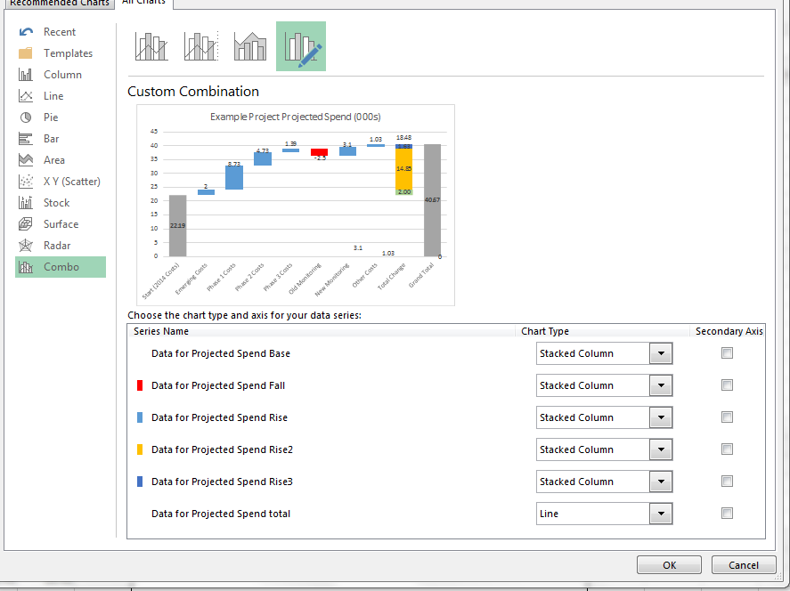
Phase 3 Costs | 1.39
Old Monitoring | -2.50
New Monitoring | 3.10
Other Costs | 1.03
Total Change | 18.48
Grand Total | 40.67

Data for Projected Spend
 | Base | Fall | Rise | Rise2 | Rise3 | total | Costs (in 000s)
Start (2014 Costs) |  | 0 | 22.19 |  |  | 22.19 | 22.19
Emerging Costs | 22.19 | 0 | 2 |  |  | 2 | 2.00
Phase 1 Costs | 24.19 | 0 | 8.73 |  |  | 8.73 | 8.73
Phase 2 Costs | 32.92 | 0 | 4.73 |  |  | 4.73 | 4.73 | Now, this particular chart is tricky if you want consistency among your graphs. The total change column (18.48) has been split in three smaller counts (the red numbers) as described in the steps above. To get a 'Total' 18.48 count for the whole brick, you can either a) just create a new text box and try and match fonts as best as possible or b) use a Custom Combination Chart type and add in an additional column/series of data (in blue). By changing the new series to a Chart Type of a line, you can then hide it, but still keep the required data labels
Phase 3 Costs | 37.65 | 0 | 1.39 |  |  | 1.39 | 1.39
Old Monitoring | 36.54 | 2.5 | 0 |  |  | 0 | -2.50
New Monitoring | 36.54 | 0 | 3.1 |  |  | 3.1 | 3.10
Other Costs | 39.64 | 0 | 1.03 |  |  | 1.03 | 1.03
Total Change | 22.19 | 0 | 2.00 | 14.85 | 1.63 | 18.48 | 18.48
Grand Total | 40.67 | 0 | 0

Template 4
 |  |  | This template still uses the base example in the TIP but now includes two columns (bricks) showing separated sections of two total changes, both Emerging/Phase costs and the Remainder. This uses numbers in the original Costs (in 000s) data in order to capture the negative values, but is still not included in the Grand Total figure and below you'll see how the data must be re-arranged (in red).

Example Project Projected Spend (000s)
 | Data for Projected Spend | Data for Projected Spend | Data for Projected Spend | Data for Projected Spend | Data for Projected Spend
Start (2014 Costs) |  | 0 | 22.19
Emerging Costs | 22.19 | 0 | 2
Phase 1 Costs | 24.19 | 0 | 8.73
Phase 2 Costs | 32.92 | 0 | 4.73
Phase 3 Costs | 37.65 | 0 | 1.39
Total Emerg/Phase Costs | 22.19 |  | 16.85
Old Monitoring | 36.54 | 2.5 | 0
New Monitoring | 36.54 | 0 | 3.1
Other Costs | 39.64 | 0 | 1.03
Remainder Changes | 39.04 | 0 | 1.63
Grand Total | 40.67 | 0 | 0
Data for Projected Spend
 | Costs (in 000s)
Start (2014 Costs) | 22.19
Emerging Costs | 2.00
Phase 1 Costs | 8.73
Phase 2 Costs | 4.73
Phase 3 Costs | 1.39
Old Monitoring | -2.50
New Monitoring | 3.10
Other Costs | 1.03
Total Change | 18.48
Grand Total | 40.67

Data for Projected Spend
 | Base | Fall | Rise | Rise2 | Rise3 | Costs (in 000s)
Start (2014 Costs) |  | 0 | 22.19 |  |  | 22.19
Emerging Costs | 22.19 | 0 | 2 |  |  | 2.00
Phase 1 Costs | 24.19 | 0 | 8.73 |  |  | 8.73
Phase 2 Costs | 32.92 | 0 | 4.73 |  |  | 4.73
Phase 3 Costs | 37.65 | 0 | 1.39 |  |  | 1.39
Total Emerg/Phase Costs | 22.19 |  | 16.85
Old Monitoring | 36.54 | 2.5 | 0 |  |  | -2.50
New Monitoring | 36.54 | 0 | 3.1 |  |  | 3.10
Other Costs | 39.64 | 0 | 1.03 |  |  | 1.03
Remainder Changes | 39.04 | 0 | 1.63
Grand Total | 40.67 | 0 | 0

