Project Workplan
m Not started
n On Plan
ü Complete
u Issues
Project Plan mnüu
 | Date of Report | 2005-06-30

 | Name | Client Performance Management System |  |  |  |  |  | Sponsor | Bill Praxton, CFO
 | Start Date | 10/1/04 |  |  |  | End Date |  | 3/28/06
Balanced Scorecard Design and Development Plan
Item No | Task |  | Actual Start Date | Tentative Start Date | Impact on Completion (Actual vs. Target) | Target Completion date & Status |  | Comments |  |  | Deliverables | Lead
 | 1. Refresh the Strategic Plan |  | 12/1/04 |  |  | 4/30/05
1.1 | Review current strategic planning documents and determine if the current plan is appropriate for the Balanced Scorecard |  | 11/15/04 |  |  | 3/31/05 | n
1.2 | Prepare for Strategic Planning Off-site |  | 2/1/05 |  |  | 4/15/05 | ü
1.3 | Strategic Planning working group to develop draft revised Strategic Plan - See Planning Workshop Coordinator for more details |  | 3/22/05 |  |  |  | m |  |  |  | 1) Kick off meeting of technical group
1.4 | Senior Leadership approves revised Strategic Plan |  | After Phase 3 |  |  |  | m
1.5 | Communicate Strategic Plan and Balanced Scorecard in printed and electronic format |  | After Phase 3 |  |  |  | m |  |  |  | 1) Strategic Plan booklet 2) Strategy Map Draft
 | 2. Strategy Map / Strategic Plan |  | 3/1/05
2.1 | Preliminary Draft Map with no extras for Gap Analysis only |  |  |  |  |  |  |  |  |  | 3) Very Basic Strategy Map
2.2 | Isolate holes / gaps between draft strategic plan vs. Draft Strategy Map |  |  |  |  |  |  |  |  |  | 4) Gap Analysis Results and recommendations to fill out S-Plan
2.3 | Make revisions to lower level objectives in Draft Strategic Plan and fill-out Strategy Map for all components - themes, narrative add-on's and complete cause-effect flows. |  |  |  |  |  |  |  |  |  | 5) Revised Strategic Plan 6) Revised Strategy Map
2.4 | Approval of Revised Strategic Plan and Final and Complete Strategy Map |  |  |  |  |  |  | May have to schedule at joint leadership off-site |  |  | 7) Briefing Session
2.5 | Develop Communication Plan for Strategic Plan |  |  |  |  |  |  |  |  |  | 8) Communication Plan
2.6 | Launch Action Plan Steps for Strategic Plan with Strategy Map |  |  |  |  |  |  | May require meetings and other events per the Communication Plan |  |  | 9) Action Plan for Communication Plan
2.7 | Centralize feedback and comments for next planning cycle. Collect and recommend for next planning session cycle. |  |  |  |  |  |  | Output from this step does not get acted upon until next annual planning cycle. |  |  | 10) Feedback Collection System and Reports
 | 3. Measurements and Targets
3.1 | Create measurement and target development workplan complete with templates and methodology |  |  |  |  |  |  |  |  |  | 11) Performance measurement training, tools, methodology
3.2 | Quality control review to refine and improve complete measurement approach for client |  |  |  |  |  |  |  |  |  | Final set of tools to development enterprise wide performance measurements
3.3 | Extend each objective on the Strategy Map into one to three performance measurements |  |  |  |  |  |  | Follow the methodology and training
3.4 | Solicit input and feedback from functional leads and line and staff personnel |  |  |  |  |  |  |  |  |  | Revised set of performance measurements
3.5 | Establish a set of targets in accordance with operational goals that are linked to the Strategic Plan |  |  |  |  |  |  |  |  |  | Targets for each measurement
3.6 | Identify initiatives and projects related to execution of each objective. Extend the Map |  |  |  |  |  |  |  |  |  | Scorecard Model
3.7 | Prototype test Scorecard Model for data points that use existing measurement data |  |  |  |  |  |  | Make sure model is tight / fits across all components
3.8 | Complete a comprehensive measurement template for database development |  |  |  |  |  |  |  |  |  | Performance measurement development template
 | 4. Initiative Mapping and Budgeting
4.1 | Extend Initiative and Projects that are part of Scorecard Model into Action Plans or document with existing plans |  |  |  |  |  |  | Extended Scorecard Model ensures execution of the Strategic Plan |  |  | Extended Scorecard Model
4.2 | Link the Initiative / Projects within the Scorecard Model to the Budgeting Process
4.3 | Identify gaps and short coming with linking and make recommendations to improve |  |  |  |  |  |  |  |  |  | Recommended Changes to Link Processes Together
4.4 | Cross walk all major initiatives against the Strategic Objectives - Pareto Chart the initiatives / projects |  |  |  |  |  |  |  |  |  | Graph of what should get resourced vs. what should not
4.5 | Work back upstream from initiatives / projects not linked and document any missing lower level objectives in strategic plan and / or strategy map |  |  |  |  |  |  |  |  |  | Operating Plan / Sub Objective Additions

 | 5. Reporting Framework (Database)
5.1 | Map and build a framework structure from the highest organizational level down to the managerial level |  |  |  |  |  |  | See other similar models from other performance management projects |  |  | Visual prototype framework for review
5.2 | Align and link lower level components by through objective setting - upper to lower by organizational level / reporting units
5.3 | Assign performance measurements for lower level objectives. Index across common reporting units for the same objective.
5.4 | Complete a comprehensive measurement template for database development for this reporting level (lower objectives)
5.5 | Prototype test and revise database design of Balanced Scorecard System - (ESMS |  |  |  |  |  |  | NOTE: The IT Design and Development Plan covers automation of the Enterprise Strategic Management System |  |  | Various automated tools, such as data collection forms, reporting tools, etc.
5.6 | Roll out test modules at pilot sites - flush out lessons learned and update IT Plans
5.7 | Cascade and development plan for Enterprise Strategic Management System (ESMS) |  |  |  |  |  |  |  |  |  | ESMS Design and Development Plan

 | Baseline End Date |  |  |  |  |  |  |  |  | 3/28/06
Major Issues
Item No. | Description |  |  |  |  | Comments |  |  |  | Status
1

2

3

4

Powerpoint Slides
L
H
M
M
M
M
M
M
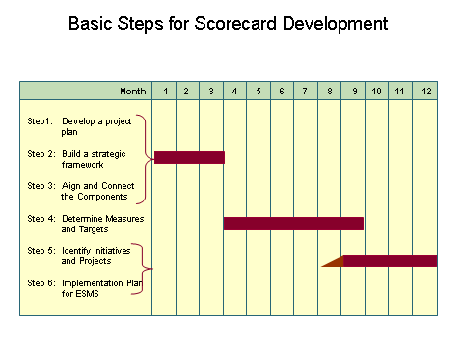

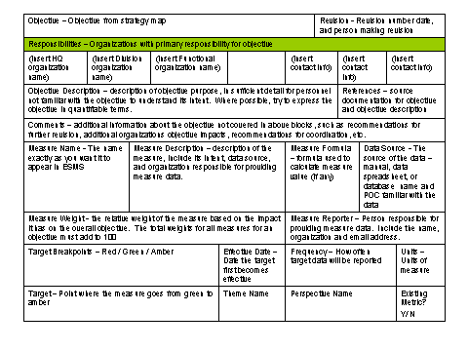

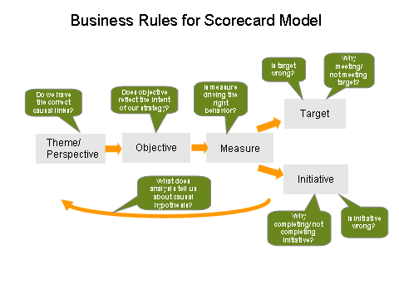

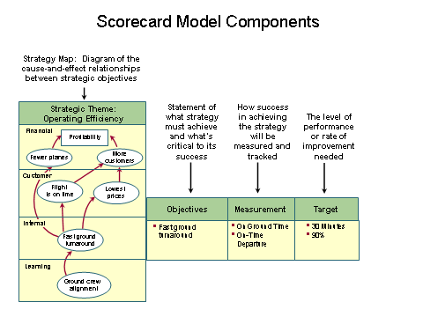

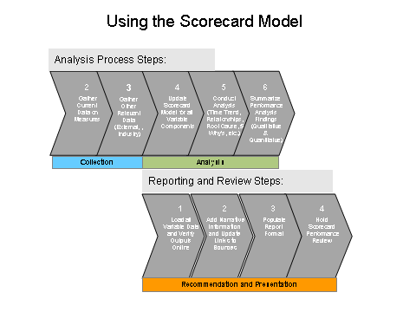

Alignment Matrix

Strategic
Drivers
Vision
Mission
Values
Critical
Processes
Measures
Critical
Levers
Organization
Measures
Tools

