Example"
 |  |  | PACKAGING SPECIFICATION SHEET |  |  |  |  |  | OSRAM PART#

Put together box & Line with VCI liner bag.
Stack 6 filled trays (48 parts each tray). Stack each tray 180° to the one below it.
NO EMPTY TRAY IS PLACED ON TOP
Input Non-OSRAMT P/N below |  |  |  | INTERIOR DESIGN DIGITAL PHOTO (or Sketch) | Shipment method
04E-109-411 |  |  |  | 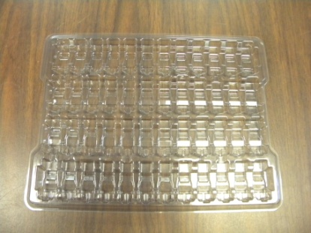 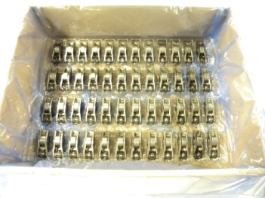 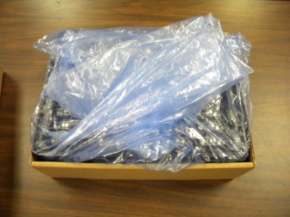 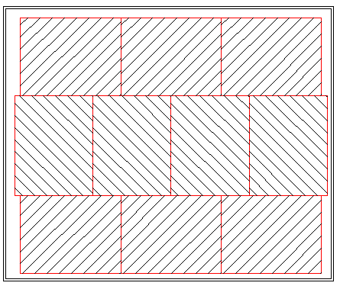 | Air |  | Ground |  | Sea |  | Parcel
PART NAME: | Bracket |  |  |  | PLANTS
PART INFORMATION (Photo or sketch) |  |  |  |  | Qty | PN | Name | Packaging Material | Dimensions |  |  | Tare Wt. (lbs.)
 |  |  |  |  |  |  |  |  | L | W | H
 |  |  |  |  | 60 | BX0051 | 2 pc box | corrugated | 14.6 | 11.4 | 4 | 0.76

 |  |  |  |  | 1 | PKG0145 | pallet | plastic | 48 | 40 | 5.9 | 16.59

 |  |  |  |  | 5 | PKG0085 | banding | polyester |  | 0.6

Place stack of Six filled trays inside VCI liner bag.
 |  |  |  |  |  | PKG0101 | stretch wrap | PE |  | 15
Dimensions (inches) |  |  | Piece Wt. (lbs.)
L | W | H |  |  | 4 | PKG0062 | 20" corner board | press board | 20 | 3.3 | 3.3 | 0.68
1.93 | 0.55 | 0.72 | 0.0943
CONTAINER PHOTO |  |  |  |  | 4 | PKG0066 | 36" corner board | press board | 36 | 3.3 | 3.3 | 1.23

Gently remove air from bag and fold bag over the product.
 |  |  |  |  | 2 | PKG0004 | pallet liner | PE | 40 | 34.5 |  | 0.2

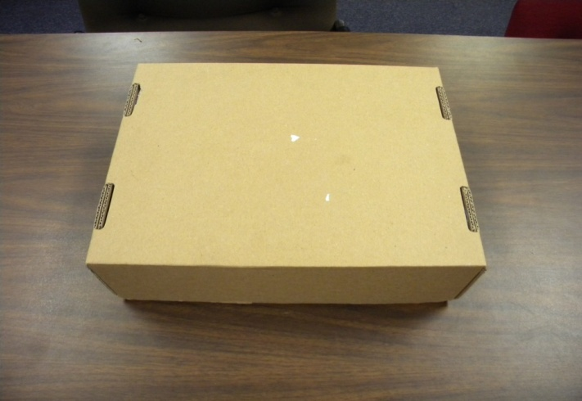
 |  |  |  |  | 360 | PKG0170 | Blister tray | RPET | 13.4 | 10 | 0.6 | 0.21

 |  |  |  |  | 60 | PKG0170 | VCI bag | LDPE | 18 | 10 | 25 | 0.2

 |  |  |  |  | RUST PREVENTATIVE. METHOD (IF APPLIED) |  |  | Container type
 |  |  |  |  |  |  |  | Returnable |  | Expendable |  |  | .
 |  |  |  |  |  | Oiling |  |  | PCS / CTN | CONTAINER Wt. (lbs.)
 |  |  |  |  |  | VCI |  |  |  | PARTS | GROSS
Pallet layout
 |  |  |  |  |  | Others |  | BOX | 28,800 | 2,716 | 2,718.06
28,800 Piece Box (6 trays of 48 parts/tray)
 |  |  |  |  |  | NA |  | PALLET | 576,000 | 54,317 | 54,399.03
 |  |  |  |  | PALLETIZING PHOTO (or Sketch)

FINAL PALLET DIM:
48 x 40 x 30
(2 layers of 10 boxes)
Place Lid on box and label on short edge of lid
SUPPLIER NAME: |  |  |  | Label Verification
Supplier Inc.
SUPPLIER ADDRESS:
816 Lexington Ave
Warren, PA 16365
USA
CONTACT: | Joe Smith |  |  | Shipping trial needed at Osram?
TITLE: | Mfg. Engineer |  |  | Supplier Approval: | Overall Pallet Dimensions L x W x H |  |  |  |  | 48 | 40 | 30
PHONE: | 734 464 - 7345 |  |  |  | CONTAINERS or BOXES/LAYER |  |  | 10 |  | TOTAL CTN/PALLET
EMAIL: | joe.smith@supplier.com |  |  | OSRAM Approval: | LAYERS/PALLET |  |  | 2 |  | 20

