Excel Project Tracker
Project Tracker
 |  |  |  |  |  | Planned Dates |  | Planned Duration |  | Actual Dates |  | Actual Duration
Task | Status | Category | Assigned To | Task Description | % Complete | Start | Finish | Hours | Days | Start | Finish | Hours | Days
1 | Status 1 | Category 1 | Employee 1 | Enter Task Here | 100% | 2018-01-01 | 2018-02-01 | 240 | 30 | 2018-02-10 | 2018-02-25 | 120 | 15
2 | Status 2 | Category 2 | Employee 2 |  | 100% | 2018-01-15 | 2018-03-21 | 528 | 66 | 2018-02-01 | 2018-02-26 | 200 | 25
3 | Status 3 | Category 3 | Employee 3 |  | 100% | 2018-02-01 | 2018-04-11 | 560 | 70 | 2018-02-01 | 2018-02-27 | 208 | 26
4 | Status 4 | Category 4 | Employee 4 |  | 100% | 2018-03-10 | 2018-04-19 | 312 | 39 | 2018-04-10 | 2018-05-28 | 384 | 48
5 | Status 5 | Category 5 | Employee 5 |  | 100% | 2018-04-20 | 2018-05-15 | 200 | 25 | 2018-04-25 | 2018-06-01 | 288 | 36
6 | Status 6 | Category 6 | Employee 6 |  | 65% | 2018-05-15 | 2018-06-25 | 320 | 40
7 | Status 7 | Category 7 | Employee 7 |  | 45% | 2018-06-10 | 2018-06-21 | 88 | 11
8 | Status 4 | Category 6 | Employee 2 |  | 50% | 2018-06-25 | 2018-07-31 | 288 | 36
9 | Status 6 | Category 1 | Employee 4 |  | 45% | 2018-07-05 | 2018-08-01 | 208 | 26
10 | Status 3 | Category 5 | Employee 1 |  | 30% | 2018-08-10 | 2018-09-21 | 328 | 41

Make beautiful timelines in PowerPoint for important meetings. |  |  |  |  |  | Instantly turn Excel data into PowerPoint slides with the Office Timeline add-in for PowerPoint.

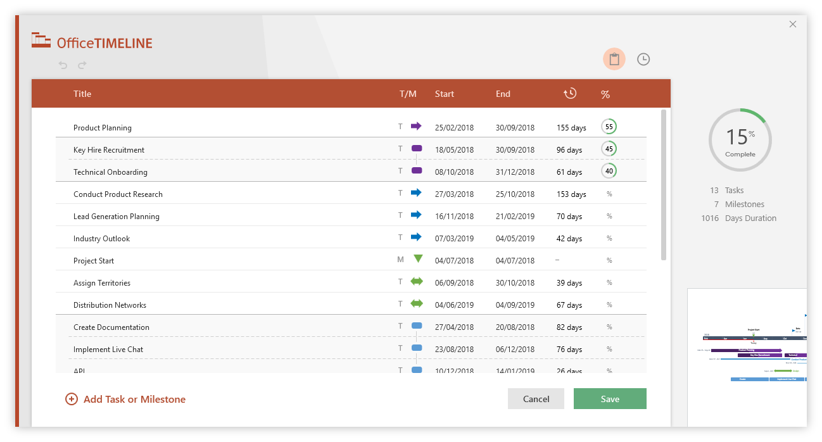
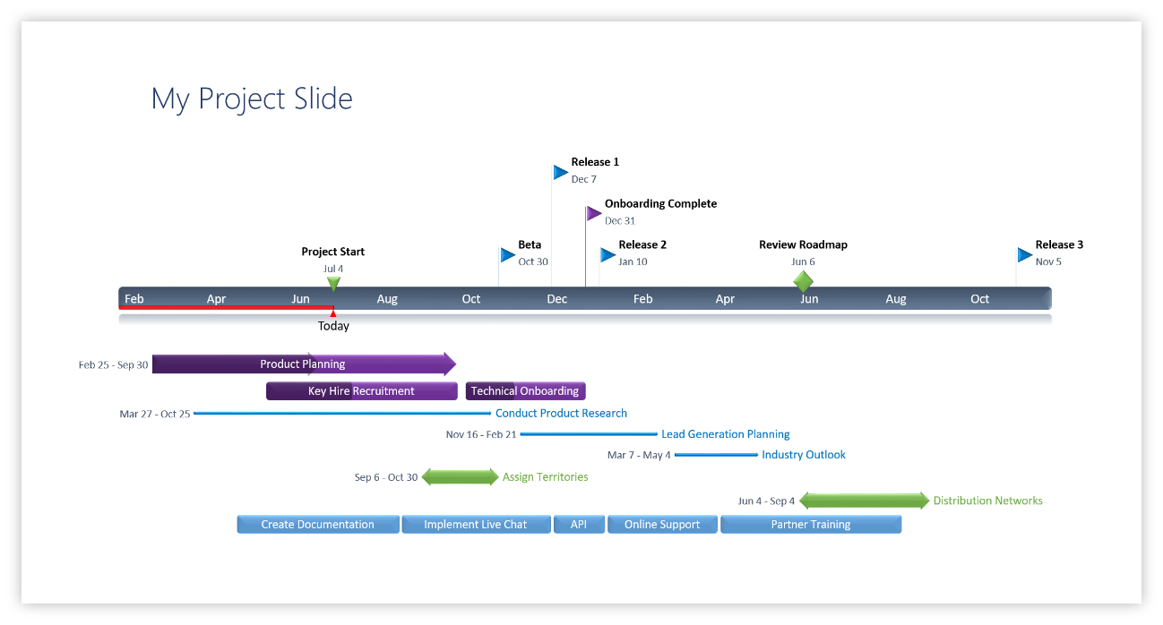

3 Easy steps to instantly turn Excel data into a PowerPoint slide
1. Download the Free Office Timeline plug-in for PowerPoint - 14-day Trial Edition.
2. Open PowerPoint and click on NEW Timeline from the Office Timeline tab inside of PowerPoint.
Copy your Excel table and paste it into Office Timeline with the PASTE button.
3. Click the green SAVE button to instantly produce your Project Tracker slide.

