Project Plan and Gantt
Project Management Dashboard

Project Name: | [Name]
Report Date | [Date]
Project Status | On track
Completed | 27%

 | Start | Days
Set kick-off meeting | 2015-09-02 | 1
Agree on objectives | 2015-09-03 | 4
Detailed Reqs. | 2015-09-07 | 5
Hardward Reqs. | 2015-09-09 | 2
Final Resource Plan | 2015-09-11 | 4
Staffing | 2015-09-16 | 1
Techincal Reqs. | 2015-09-17 | 4
Testing | 2015-09-24 | 8
Dev. Complete | 2015-10-02 | 3
Hardware Config. | 2015-10-05 | 2
System Testing | 2015-10-06 | 3
Launch | 2015-10-09 | 1
Tasks | Assigned To | Priority | Status
Set kick-off meeting | Alex B. |  | Complete
Agree on objectives | Frank C. | ★ | Complete
Detailed Reqs. | Jacob S. |  | Complete
Hardward Reqs. | Jacob S. | ★ | Overdue
Final Resource Plan | Jacob S. |  | In progress
Staffing | Alex B. | ★ | In progress
Techincal Reqs. | Frank C. |  | Not started
Testing | Kennedy K. | ★ | Not started
Dev. Complete | Jacob S. | ★ | Not started
Hardware Config. | Alex B. |  | Not started
System Testing | Kennedy K. | ★ | Not started
Launch
Overall Task Status
Complete | 27.27%
Overdue | 9.09%
In progress | 18.18%
Not Started | 45.45%
Budget
Planned | 80,000
Actual | 50,000
Pending Items
Decisions | 5
Actions | 2
Change Requests | 4

Smartsheet SightsTM give your team the ability to work smarter, with visibility into work as it's getting done.
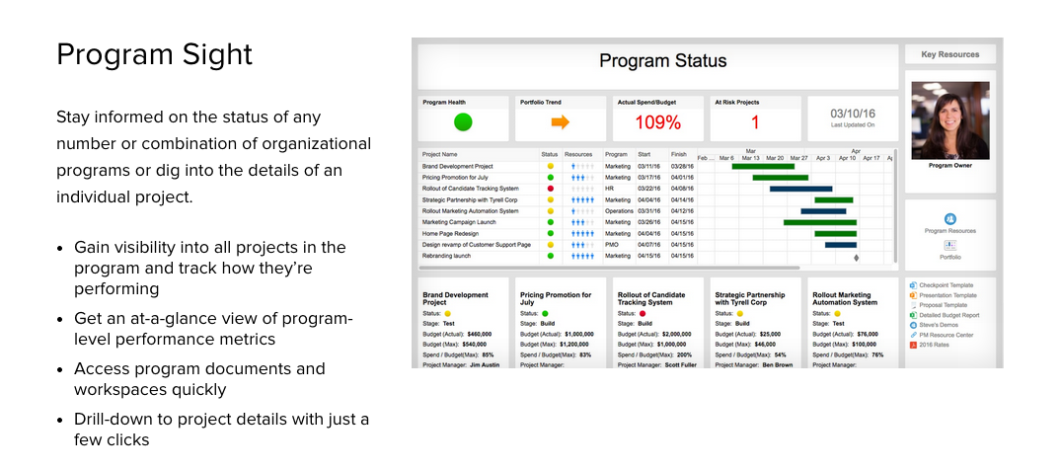

Interested in trying Smartsheet to manage your projects? Click here to start your free 30-day trial today.

