Instructions
Instructions for using the value risk matrix
The value risk matrix will enable you to sucessfully identify what your contract is classified as. By completing this, you will then be able to decide on the best contract management approach required, along with creating a contract management plan or checklist.
This will help you plan ahead and identify the resources required for the specific classified contract. It ensures you are putting the right level of resource for the contract and will help identify objectives of the contract along with associated risks.
The 'question list and score' tab shows the questions for both risk and value. Please note the contract value bands will need to be inserted on question 8, to suit your organisation's contract values. Once you have looked through and decided which answer best suits your situation in relation to the contract, you can then start to fill in the VRM tab.
Simply select the drop down answer that best suits the contract and this will automatically fill in the score for you. Please use the table opposite to assist you in deciding if something is low, medium or high. You will see there is another question available for the value questions for you to insert yourself, if there is something else you need to consider. Please note, you will need to adjust the value scoring methodology if you do this, in order to keep the value score out of a possible 60.
Once you have answered all of the questions, you will have a final total risk score and a final total value score. using the 'results' tab, you can then classify your contract. Once classified, this will assist you in deciding what level of management you need for the contract.

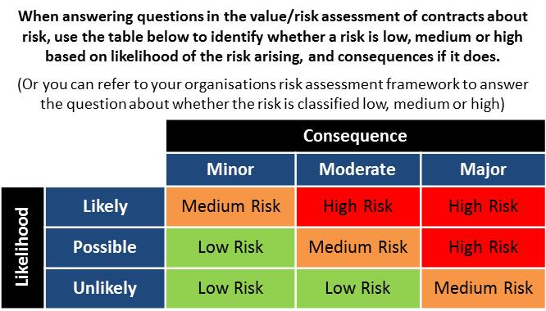

Results
Results - value/risk

Score result | Contract type | This contract has been identified as
Risk score 0-30 and value score 0-30 | Routine Contract
Risk score 31-60 and value score 0-30 | Operational (high risk) contract
Risk score 0-30 and value score 31-60 | Operational (high value) contract
Risk score 31-60 and value score 31-60 | Strategic contract

Risk/Value Matrix

60
Operational
(high value contracts)
Strategic
contracts

Value

30
Routine
contracts
Operational
(high risk contracts)

Risk
30
60

