Risk Assessment Matrix
RISK ASSESSMENT MATRIX
This risk assessment matrix template may be used to help you assess the proportionality and risks of your processing of personal information. You are required to carry out this assessment for whereabouts information and sensitive personal information under Article 9.6 of the ISPPPI, but it can be a useful exercise to conduct for any activity that involves the processing of personal information. See Chapter 4: How to identify what you hold and why (Section 4: Assessing and mitigating risks) of the ISPPPI Guidelines for more guidance.

Name/title of individual completing form: Date of creation: Date of last update:

Processing Activity | e.g.: Processing TUE applications

Risk Rating Key
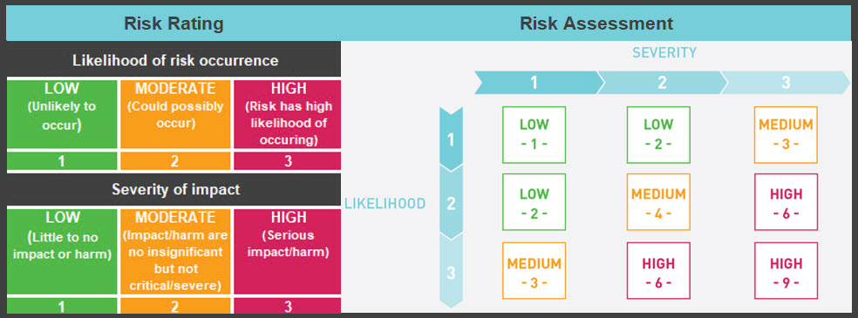

Identify and Assess Risks |  |  |  | Risk Mitigation |  |  |  | Privacy Manager Sign Off
Description of risks and potential impact on individuals | Likelihood of Risk | Severity of Impact | Risk Rating | Describe mitigation measure(s) to reduce likelihood and/or severity of harm | Post-Mitigation |  |  | Name | Date
 |  |  |  |  | Likelihood of Risk | Severity of Impact | Residual Risk Rating
Describe risks and their possible impact, for example: TUE applications (and supporting documents) contain highly sensitive medical information. Risks include insecure transmission from athletes to ADOs (e.g. regular email or mail), failure to redact information provided to TUE experts, employee snooping, etc. The impact of a breach would be severe given the sensitivity of the information concerned and possible reputational impact for the athlete. | 2 | 3 | 6 | Describe steps and measures that mitigate risks and/or severity of impact: Guidance/education measures for athletes so they know how to securely send in their application and documents; confidentiality agreements with all TUEC members; restricted access to TUE info internally; privacy and security policies for staff, General security controls for internal systems (2FA authentication, firewalls, anti-malware, etc.) | 1 | 3 | 3
 |  |  | 0 |  |  |  | 0
 |  |  | 0 |  |  |  | 0
 |  |  | 0 |  |  |  | 0

