More Payment Planner
If you plan to organize your credit card payment as well as other payment in detail, you can try bill payment planner with more information below.
http://exceltemplate.net/calendar/bill-payment-calendar/
You can purchase the Pro version of bill payment calendar with more advanced features to manage your bill payment. There are two available models. All models can be used yearly by changing its year period.
These spreadsheets should help you planning your payment and managing your cashflow daily and see its summary yearly either by month or week depends on model you use.

 | USD 11.99 (get one model only) |  |  |  | USD 17.99 (get two models) |  |  |  | Notes :
 | Model 1 : Monthly Payment Planner |  |  |  | Model 1 : Monthly Payment Planner |  |  |  | > All models will have all shown worksheets unlocked
 |  |  |  |  | Model 2 : Weekly Payment Planner |  |  |  | > Price is subject to change without prior notice

How to Purchase |  | 1 | Click on paypal button above. You will be brought to Paypal homepage. You can pay with or without Paypal account using Paypal Balance or Credit Card. | 2 | After the transaction is completed, you will receive an email with a download link to download the file to your paypal email address automatically | 3 |  | You may check your SPAM folder to find the email. Sometimes, email security system will treat email with link as spam email. |  | 4 | If you still didn't receive it, you can email me at info@exceltemplate.net or info@musadya.com

Below are features and differences between two models

Model 1 : Monthly Payment Planner |  |  |  |  |  |  | Model 2 : Weekly Payment Planner
1 | Planner Input to input your income/expenses data |  |  |  |  |  | 1 | Planner Input to input your income/expenses data
> | Year |  |  |  |  |  | > | Year
> | Initial Balance |  |  |  |  |  | > | Initial Balance
> | Recurring dates with exception date options for particular month |  |  |  |  |  | > | Recurring Dates with Exception date options for particular month
> | Fixed date for particular item |  |  |  |  |  | > | Recurring Days with Exception day options for particular weeks
> | 10 lines of Income Description |  |  |  |  |  | > | Fixed date/day for particular item
> | 90 lines of Expenses Description |  |  |  |  |  | > | 10 lines of Income by Month Description
> | 12 months columns |  |  |  |  |  | > | 10 lines of Income by Week Description
 |  |  |  |  |  |  | > | 90 lines of Expenses by Month Description
 |  |  |  |  |  |  | > | 90 lines of Expenses by Week Description
 |  |  |  |  |  |  | > | 53 weeks columns
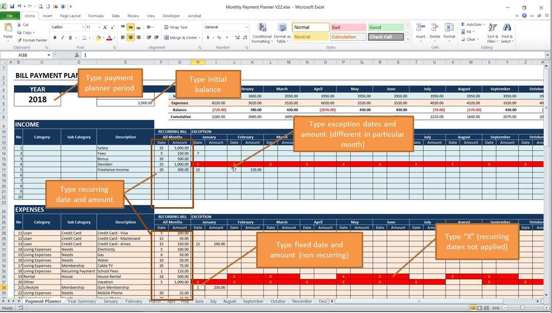
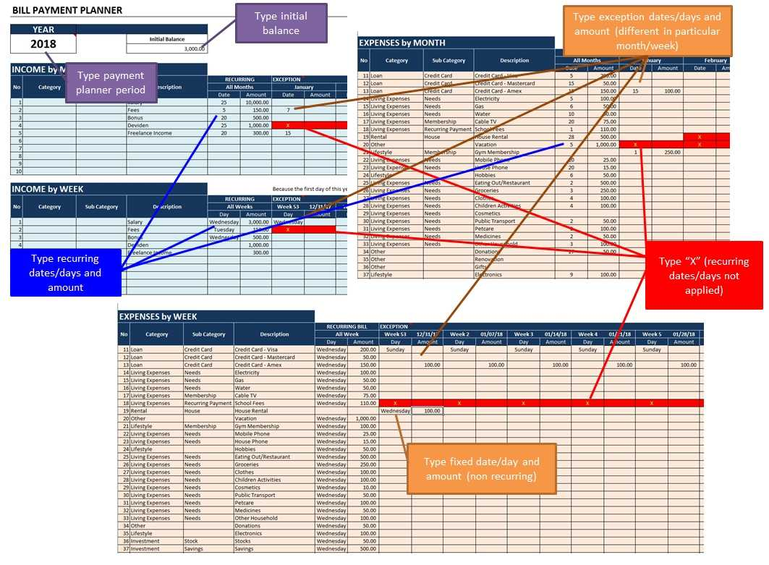

2 | Monthly Summary to print and remind you on upcoming income/payment |  |  |  |  |  | 2 | Weekly Summary to print and remind you on upcoming income/payment
> | See Income and Expenses arranged in particular day automatically in respective months |  |  |  |  |  | > | See Income and Expenses arranged in particular day automatically in respective weeks
> | 12 months worksheet to see all income/expenses detail |  |  |  |  |  | > | One 5-weeks worksheet to see all income/expenses detail with customizable start of the week
> | 6 lines of income/expenses detail per date |  |  |  |  |  | > | 30 lines of income/expenses detail per date/day
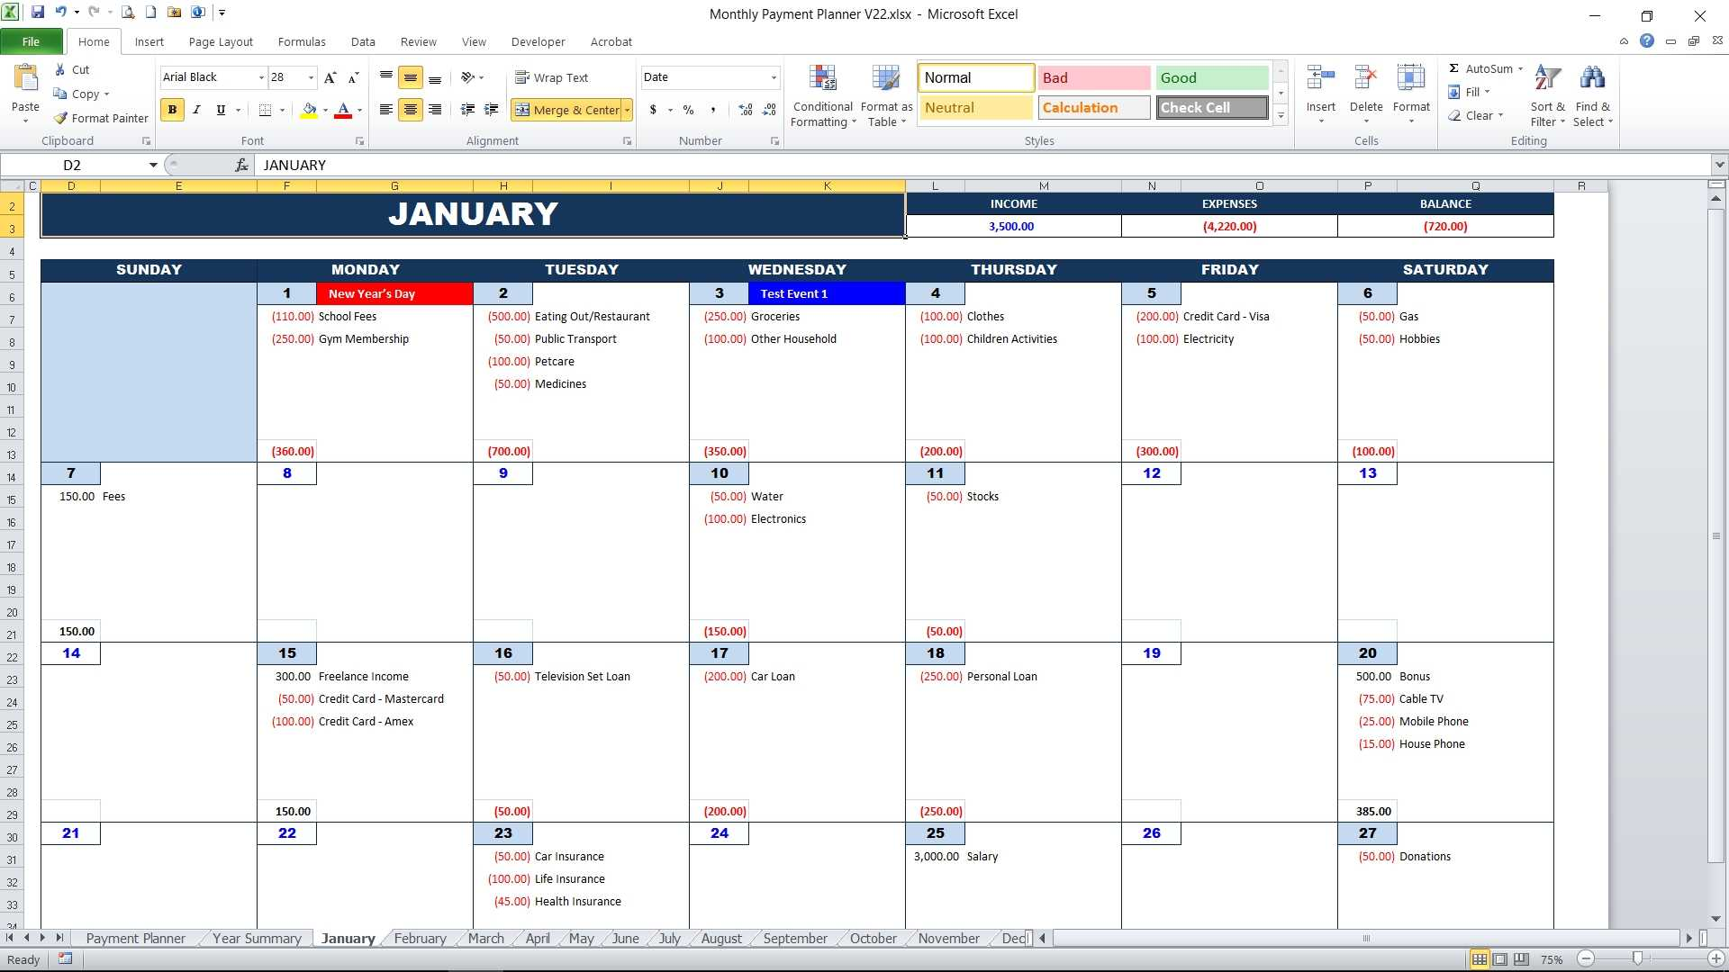
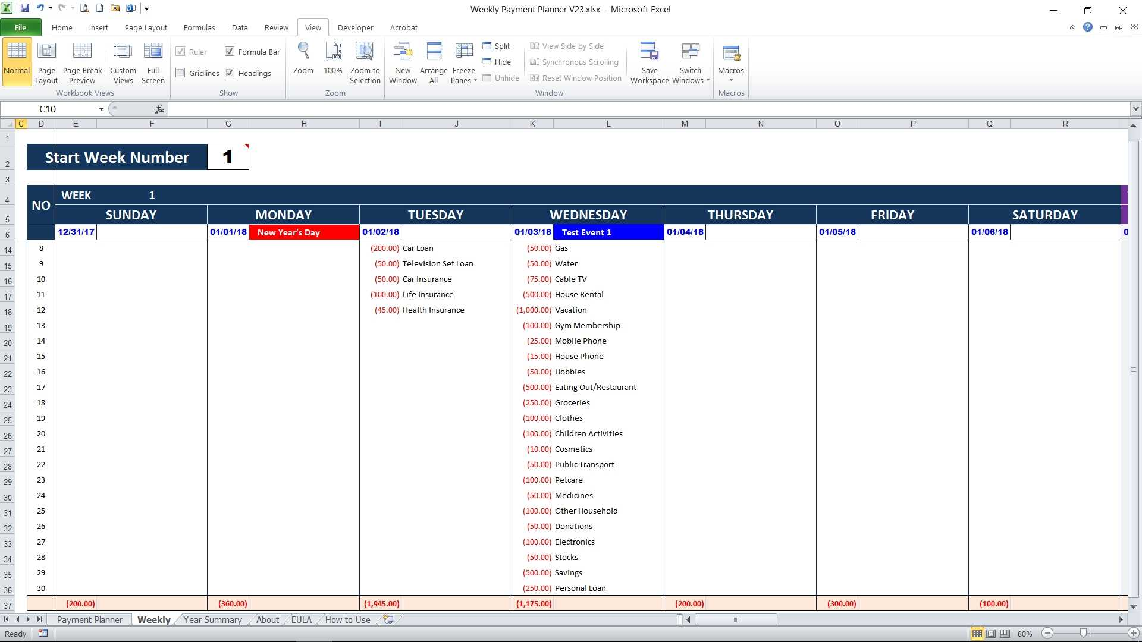

3 | Year Summary to map your cash flow within one year in Calendar view |  |  |  |  |  | 3 | Year summary to map your cash flow within one year in Calendar view in Month and Week
> | Set holiday and event dates |  |  |  |  |  | > | Set holiday and event dates
> | Set particular cash flow values (balance) for marking dates |  |  |  |  |  | > | Set particular cash flow values (balance) for marking dates

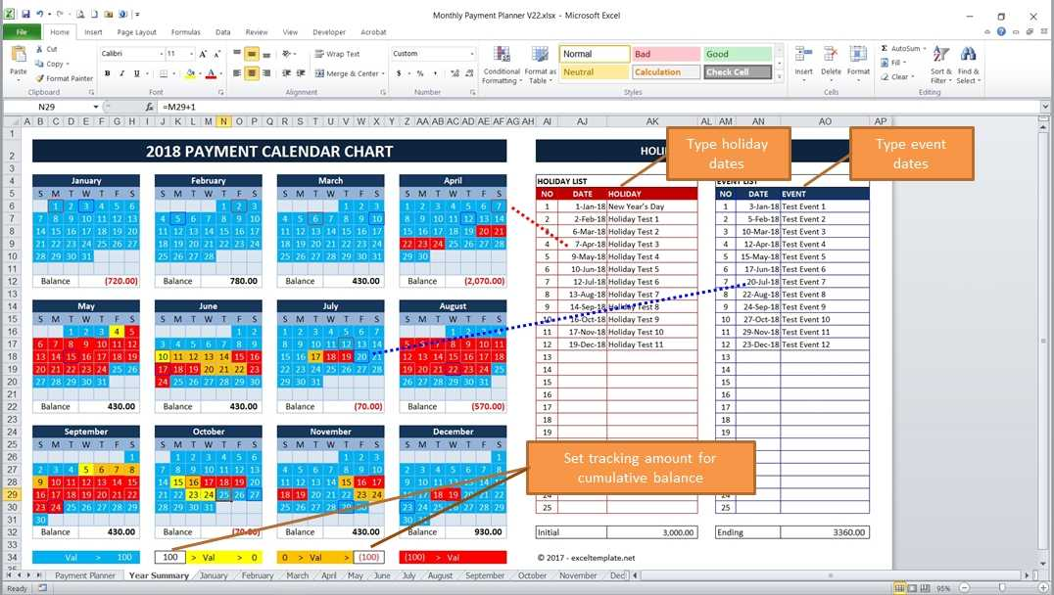
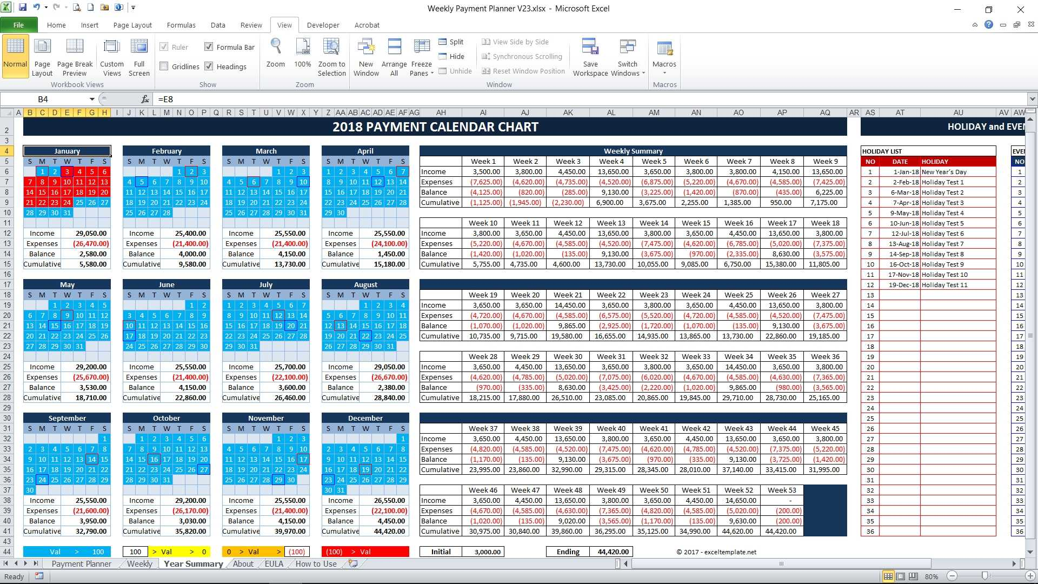

© 2017 - exceltemplate.net

