Sheet1
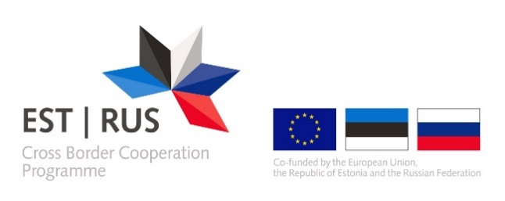 | ANNEX 8
FINANCIAL PLAN
Financial flow forecast/schedule | 1st year |  |  |  |  |  |  |  |  |  |  |  | 2nd year |  |  |  |  |  |  |  |  |  |  |  | 3d year |  |  |  |  |  |  |  |  |  |  |  | Total
 | 6 months |  |  |  |  |  | 6 months |  |  |  |  |  | 6 months |  |  |  |  |  | 6 months |  |  |  |  |  | 6 months |  |  |  |  |  | 6 months
 | JAN | FEB | MAR | APR | MAY | JUN | JUL | AUG | SEP | OCT | NOV | DEC | JAN | FEB | MAR | APR | MAY | JUN | JUL | AUG | SEP | OCT | NOV | DEC | JAN | FEB | MAR | APR | MAY | JUN | JUL | AUG | SEP | OCT | NOV | DEC
Starting cash position | 0.00 € | 0.00 € | 0.00 € | 0.00 € | 0.00 € | 0.00 € | 0.00 € | 0.00 € | 0.00 € | 0.00 € | 0.00 € | 0.00 € | 0.00 € | 0.00 € | 0.00 € | 0.00 € | 0.00 € | 0.00 € | 0.00 € | 0.00 € | 0.00 € | 0.00 € | 0.00 € | 0.00 € | 0.00 € | 0.00 € | 0.00 € | 0.00 € | 0.00 € | 0.00 € | 0.00 € | 0.00 € | 0.00 € | 0.00 € | 0.00 € | 0.00 €
Incoming
EU contribution (pre-financing, further installments) |  |  |  |  |  |  |  |  |  |  |  |  |  |  |  |  |  |  |  |  |  |  |  |  |  |  |  |  |  |  |  |  |  |  |  |  | 0.00 €
Contribution from third parties (e.g. state budget) |  |  |  |  |  |  |  |  |  |  |  |  |  |  |  |  |  |  |  |  |  |  |  |  |  |  |  |  |  |  |  |  |  |  |  |  | 0.00 €
Own contribution |  |  |  |  |  |  |  |  |  |  |  |  |  |  |  |  |  |  |  |  |  |  |  |  |  |  |  |  |  |  |  |  |  |  |  |  | 0.00 €
Revenues (e.g. registration fee) |  |  |  |  |  |  |  |  |  |  |  |  |  |  |  |  |  |  |  |  |  |  |  |  |  |  |  |  |  |  |  |  |  |  |  |  | 0.00 €
Interest generated by pre-financing received |  |  |  |  |  |  |  |  |  |  |  |  |  |  |  |  |  |  |  |  |  |  |  |  |  |  |  |  |  |  |  |  |  |  |  |  | 0.00 €
Other receipts |  |  |  |  |  |  |  |  |  |  |  |  |  |  |  |  |  |  |  |  |  |  |  |  |  |  |  |  |  |  |  |  |  |  |  |  | 0.00 €
Total | 0.00 € | 0.00 € | 0.00 € | 0.00 € | 0.00 € | 0.00 € | 0.00 € | 0.00 € | 0.00 € | 0.00 € | 0.00 € | 0.00 € | 0.00 € | 0.00 € | 0.00 € | 0.00 € | 0.00 € | 0.00 € | 0.00 € | 0.00 € | 0.00 € | 0.00 € | 0.00 € | 0.00 € | 0.00 € | 0.00 € | 0.00 € | 0.00 € | 0.00 € | 0.00 € | 0.00 € | 0.00 € | 0.00 € | 0.00 € | 0.00 € | 0.00 € | 0.00 €
Outgoing
Total |  |  |  |  |  |  |  |  |  |  |  |  |  |  |  |  |  |  |  |  |  |  |  |  |  |  |  |  |  |  |  |  |  |  |  |  | 0.00 €
Result
Change during month | 0.00 € | 0.00 € | 0.00 € | 0.00 € | 0.00 € | 0.00 € | 0.00 € | 0.00 € | 0.00 € | 0.00 € | 0.00 € | 0.00 € | 0.00 € | 0.00 € | 0.00 € | 0.00 € | 0.00 € | 0.00 € | 0.00 € | 0.00 € | 0.00 € | 0.00 € | 0.00 € | 0.00 € | 0.00 € | 0.00 € | 0.00 € | 0.00 € | 0.00 € | 0.00 € | 0.00 € | 0.00 € | 0.00 € | 0.00 € | 0.00 € | 0.00 €
Closing cash position | 0.00 € | 0.00 € | 0.00 € | 0.00 € | 0.00 € | 0.00 € | 0.00 € | 0.00 € | 0.00 € | 0.00 € | 0.00 € | 0.00 € | 0.00 € | 0.00 € | 0.00 € | 0.00 € | 0.00 € | 0.00 € | 0.00 € | 0.00 € | 0.00 € | 0.00 € | 0.00 € | 0.00 € | 0.00 € | 0.00 € | 0.00 € | 0.00 € | 0.00 € | 0.00 € | 0.00 € | 0.00 € | 0.00 € | 0.00 € | 0.00 € | 0.00 €

