Grocery List
Grocery List |  |  |  |  | 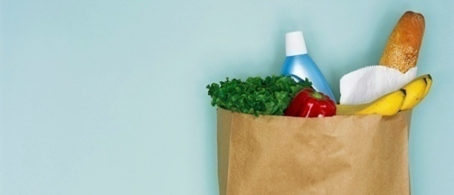
DATE
Done? | Item | Category | Quantity | Price | Extended Price | Brand/Comments
 | Oranges | Produce |  |  | $0.00
 | Apples | Produce |  |  | $0.00
 | Bananas | Produce |  |  | $0.00
 | Lettuce | Produce |  |  | $0.00
 | Tomatoes | Produce |  |  | $0.00
 | Milk | Dairy |  |  | $0.00
 | Cheese | Dairy |  |  | $0.00
 | Eggs | Dairy |  |  | $0.00
 | Cottage cheese | Dairy |  |  | $0.00
 | Beef | Meat |  |  | $0.00
 | Poultry | Meat |  |  | $0.00
 | Ham | Meat |  |  | $0.00
 | Juice | Drinks |  |  | $0.00
 | Coffee | Drinks |  |  | $0.00
 | Tea | Drinks |  |  | $0.00
 | Water | Drinks |  |  | $0.00
 | Noodles | Pasta |  |  | $0.00
 | Rice | Pasta |  |  | $0.00
 | Canned | Soup |  |  | $0.00
 | Dry mix | Soup |  |  | $0.00
 | Bread | Bakery |  |  | $0.00
 | Potato chips | Snacks |  |  | $0.00
 | Pretzels | Snacks |  |  | $0.00
 | Ice cream | Snacks |  |  | $0.00
 | Cookies | Snacks |  |  | $0.00
 | Paper plates | Supplies |  |  | $0.00
 | Napkins | Supplies |  |  | $0.00
 |  |  |  |  | $0.00

