Liaison Salary Research
Liaison Salary Research
 |  |  | https://www.navy.com/joining/benefits/pay.html
 |  |  | Officer Pay | 2,972.40 | 12.00 |  |  |  | 35,668.80 |  | http://www.payscale.com/research/US/Industry=Advertising_Agency/Salary#by_Years_Experience
State1 | Starting Salary | Average Salary | Officer salaries are based on rank and years of service. The monthly pay for an Ensign (O-1) upon receiving commission is $2,972.40 plus allowances and benefits. This graph shows the monthly salary for typical Officers based on rank and years of service. | 3,740.10 | 4,643.60 | 5,463.90 | 4,615.87 | 12.00 | 55,390.40
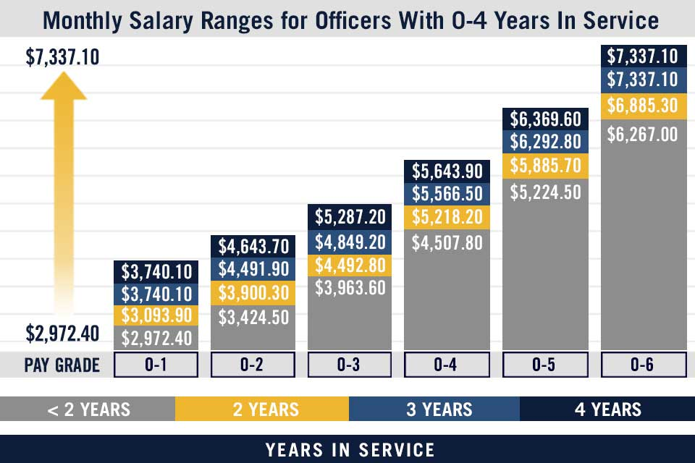
Alabama | 36,198 | 47,949
Alaska | 44,166 | 65,468 |  |  |  |  |  |  |  |  | Average Salary for Industry: Advertising Agency
Arizona | 31,874 | 49,885 |  |  |  |  |  |  |  |  | Salary
Arkansas | 32,691 | 46,631 |  |  |  |  |  |  |  |  | Hourly Rate
California | 41,259 | 69,324 |  |  |  |  |  |  |  |  | Bonus
Colorado | 32,126 | 49,844 |  |  |  |  |  |  |  |  | Popular Tallies
Connecticut | 42,924 | 69,397 |  |  |  |  |  |  |  |  | More
Delaware | 39,338 | 59,679 |  |  |  |  |  |  |  |  | By Job
Florida | 35,166 | 46,598 |  |  |  |  |  |  |  |  | By Years Experience
Georgia | 33,664 | 52,880 |  |  |  |  |  |  |  |  | By Employer Name
Hawaii | 41,027 | 54,300 |  |  |  |  |  |  |  |  | By City
Idaho | 31,159 | 49,734 |  |  |  |  |  |  |  |  | By State or Province
Illinois | 37,166 | 59,113 |  |  |  |  |  |  |  |  | By Company Size
Indiana | 34,696 | 50,065 |  |  |  |  |  |  |  |  | More
Iowa | 33,226 | 50,946 |  |  |  |  |  |  |  |  | Industry: Advertising Agency Median Salary by Years Experience
Kansas | 33,386 | 47,464 |  |  |  |  |  |  |  |  | Years Experience | National Salary Data | $0 | $32K | $64K | $96K
Kentucky | 35,166 | 50,203 |  |  |  |  |  |  |  |  | Less than 1 year | $37,159
Louisiana | 38,655 | 51,381 |  |  |  |  |  |  |  |  | 276 salaries
Maine | 31,835 | 48,430 |  |  |  |  |  |  |  |  | 1-4 years | $45,557
Maryland | 43,235 | 64,248 |  |  |  |  |  |  |  |  | 3494 salaries
Massachusetts | 40,600 | 72,334 |  |  |  |  |  |  |  |  | 5-9 years | $68,052
Michigan | 35,901 | 61,560 |  |  |  |  |  |  |  |  | 1922 salaries
Minnesota | 34,505 | 56,268 |  |  |  |  |  |  |  |  | 10-19 years | $87,324
Mississippi | 31,184 | 41,814 |  |  |  |  |  |  |  |  | 1381 salaries
Missouri | 30,064 | 47,517 |  |  |  |  |  |  |  |  | 20 years or more | $93,161
Montana | 27,274 | 48,855 |  |  |  |  |  |  |  |  | 502 salaries
Nebraska | 30,844 | 48,997 |  |  |  |  |  |  |  |  | Country: United States | Currency: USD | Updated: 26 Nov 2016 | Individuals Reporting: 7,575
Nevada | 35,358 | 55,957
New Hampshire | 34,280 | 55,599
New Jersey | 48,631 | 68,797 | https://www.glassdoor.com/Overview/Working-at-US-Census-Bureau-EI_IE33473.11,27.htm
New Mexico | 31,960 | 45,453 | Job Description
New York | 43,839 | 75,279 |  |  |  |  |  |  |  | 19.19 | 26.4
North Carolina | 30,778 | 45,737 | FIELD SUPERVISORSU.S.CENSUS BUREAU IS HIRING |  |  |  |  |  |  | 40 | 40
North Dakota | 32,019 | 47,344 |  |  |  |  |  |  |  | 767.6 | 1056
Ohio | 33,096 | 56,307 | Hiring Field Supervisors in your area |  |  |  |  |  |  | 52 | 52
Oklahoma | 31,606 | 44,373 |  |  |  |  |  |  |  | 39915.2 | 54912
Oregon | 33,549 | 57,612 | PAY $19.18 - $26.40/HOUR
Pennsylvania | 41,901 | 62,994
Rhode Island | 39,196 | 63,474 | DUTIES
South Carolina | 32,306 | 48,375 | Serves as the first level supervisor for a group of approximately 6 to 15Field Representatives, and is responsible for data collection in aspecific geography.
South Dakota | 29,851 | 39,018
Tennessee | 34,098 | 47,563 | FIELD SUPERVISORS BASIC REQUIREMENTS
Texas | 38,091 | 48,819
Utah | 33,081 | 49,393 | Bilingual/Multilingual applicants are encouraged to apply
Vermont | 35,541 | 52,526 | Must be willing to work days, evenings and weekends
Virginia | 37,848 | 48,670 | Must be a U.S. citizen
Washington | 36,335 | 52,234 | Must have a valid drivers license & use of an insured vehicle
West Virginia | 32,533 | 45,453 | Must have a physical residence within the area of consideration
Wisconsin | 33,546 | 53,797 | Occasional travel required
Wyoming | 43,269 | 56,775
US Average | 35,485 | 53,585 | https://online.drexel.edu/online-degrees/nursing-degrees/nursing-salary-guide/index.aspx
 |  |  | IMPACT OF ADVANCED DEGREES ON NURSES' SALARY
 |  |  | 2015 MEDIAN NURSE SALARY BY YEARS EXPERIENCE - DEGREE: BACHELOR OF SCIENCE, NURSING (BSN) (UNITED STATES)
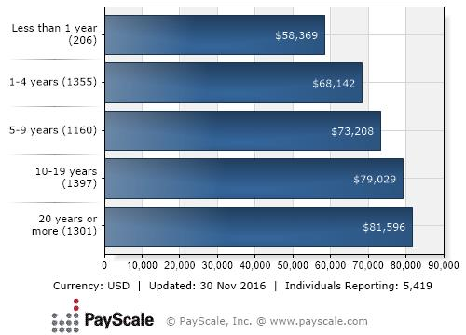

1 http://www.teacherportal.com/teacher-salaries-by-state/

Copyright © 2018 MagiKool - All Rights Reserved.

