Instructions
Welcome to the | www.exceldashboardtemplates.com |  |  |  | FREE! BMI and Target Weight tracker.

To create a Weight, Target Weight and BMI Tracker Dashboard Chart, go to the Weight Detail worksheet.

Fill in all the red text shown below:

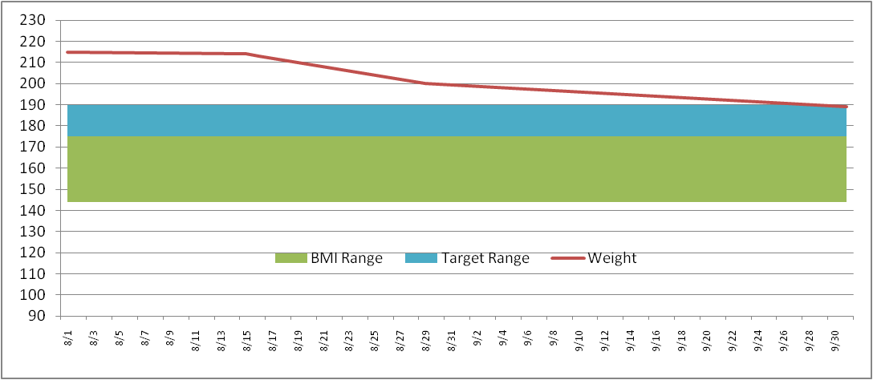
Enter in your NEAREST height in Inches (minimum 58 inches)
Height (inches) | 70

Then enter your target weight range minimum and maximum
Target Weight
Min | 175
Max | 185

Then fill in your last and most current weigh in dates and weight
Date | Weight | BMI Low | BMI Range | Target Low | Target Range
2011-09-01 | 215 | 136 | 36 | 175 | 10
2011-09-02 | 214

This will then build your chart ==================================>
* Current weight line (Red line)
* Target weight range (Blue band)
* Normal BMI weight range (Green band)
The Chart is dynamic and will keep expanding for every date/weight you enter

Weight Detail
Date | Weight | BMI Low | BMI Range | Target Low | Target Range |  | >= 58 Inches
 |  |  |  |  |  | Height (inches)
 |  |  |  |  |  | Target Weight |  | Normal BMI Range
 |  |  |  |  |  | Min |  | Min
 |  |  |  |  |  | Max |  | Max

 |  |  |  |  |  | Current Weight |  | Current Weight
 |  |  |  |  |  | Starting Weight |  | Previous Weight | Please enter all data in Yellow (Height, Target Min and Max)
 |  |  |  |  |  | Weight Loss |  | Weight Loss | Please Put Weights in B2 and B3 to calculate this metric
 | BMI Low | BMI Range | Target Low | Target Range | Weight
 | 0 | 0 | 0 | 0

Weight Chart
 | BMI Low | BMI Range | Target Low | Target Range | Weight
 | 0 | 0 | 0 | 0

